Heatmap
From Entertainment to Education: Netflix's Strategic EdTech Entry (2026–2028) | Risk Heatmap (Likelihood vs. Impact)
37 Risks Plotted | 🔴 Critical (≥54) | 🟠 High (28–53) | 🟡 Moderate (10–27) | 🟢 Low (<10) | ★ Blue = Positive Opportunity (R34–R37)
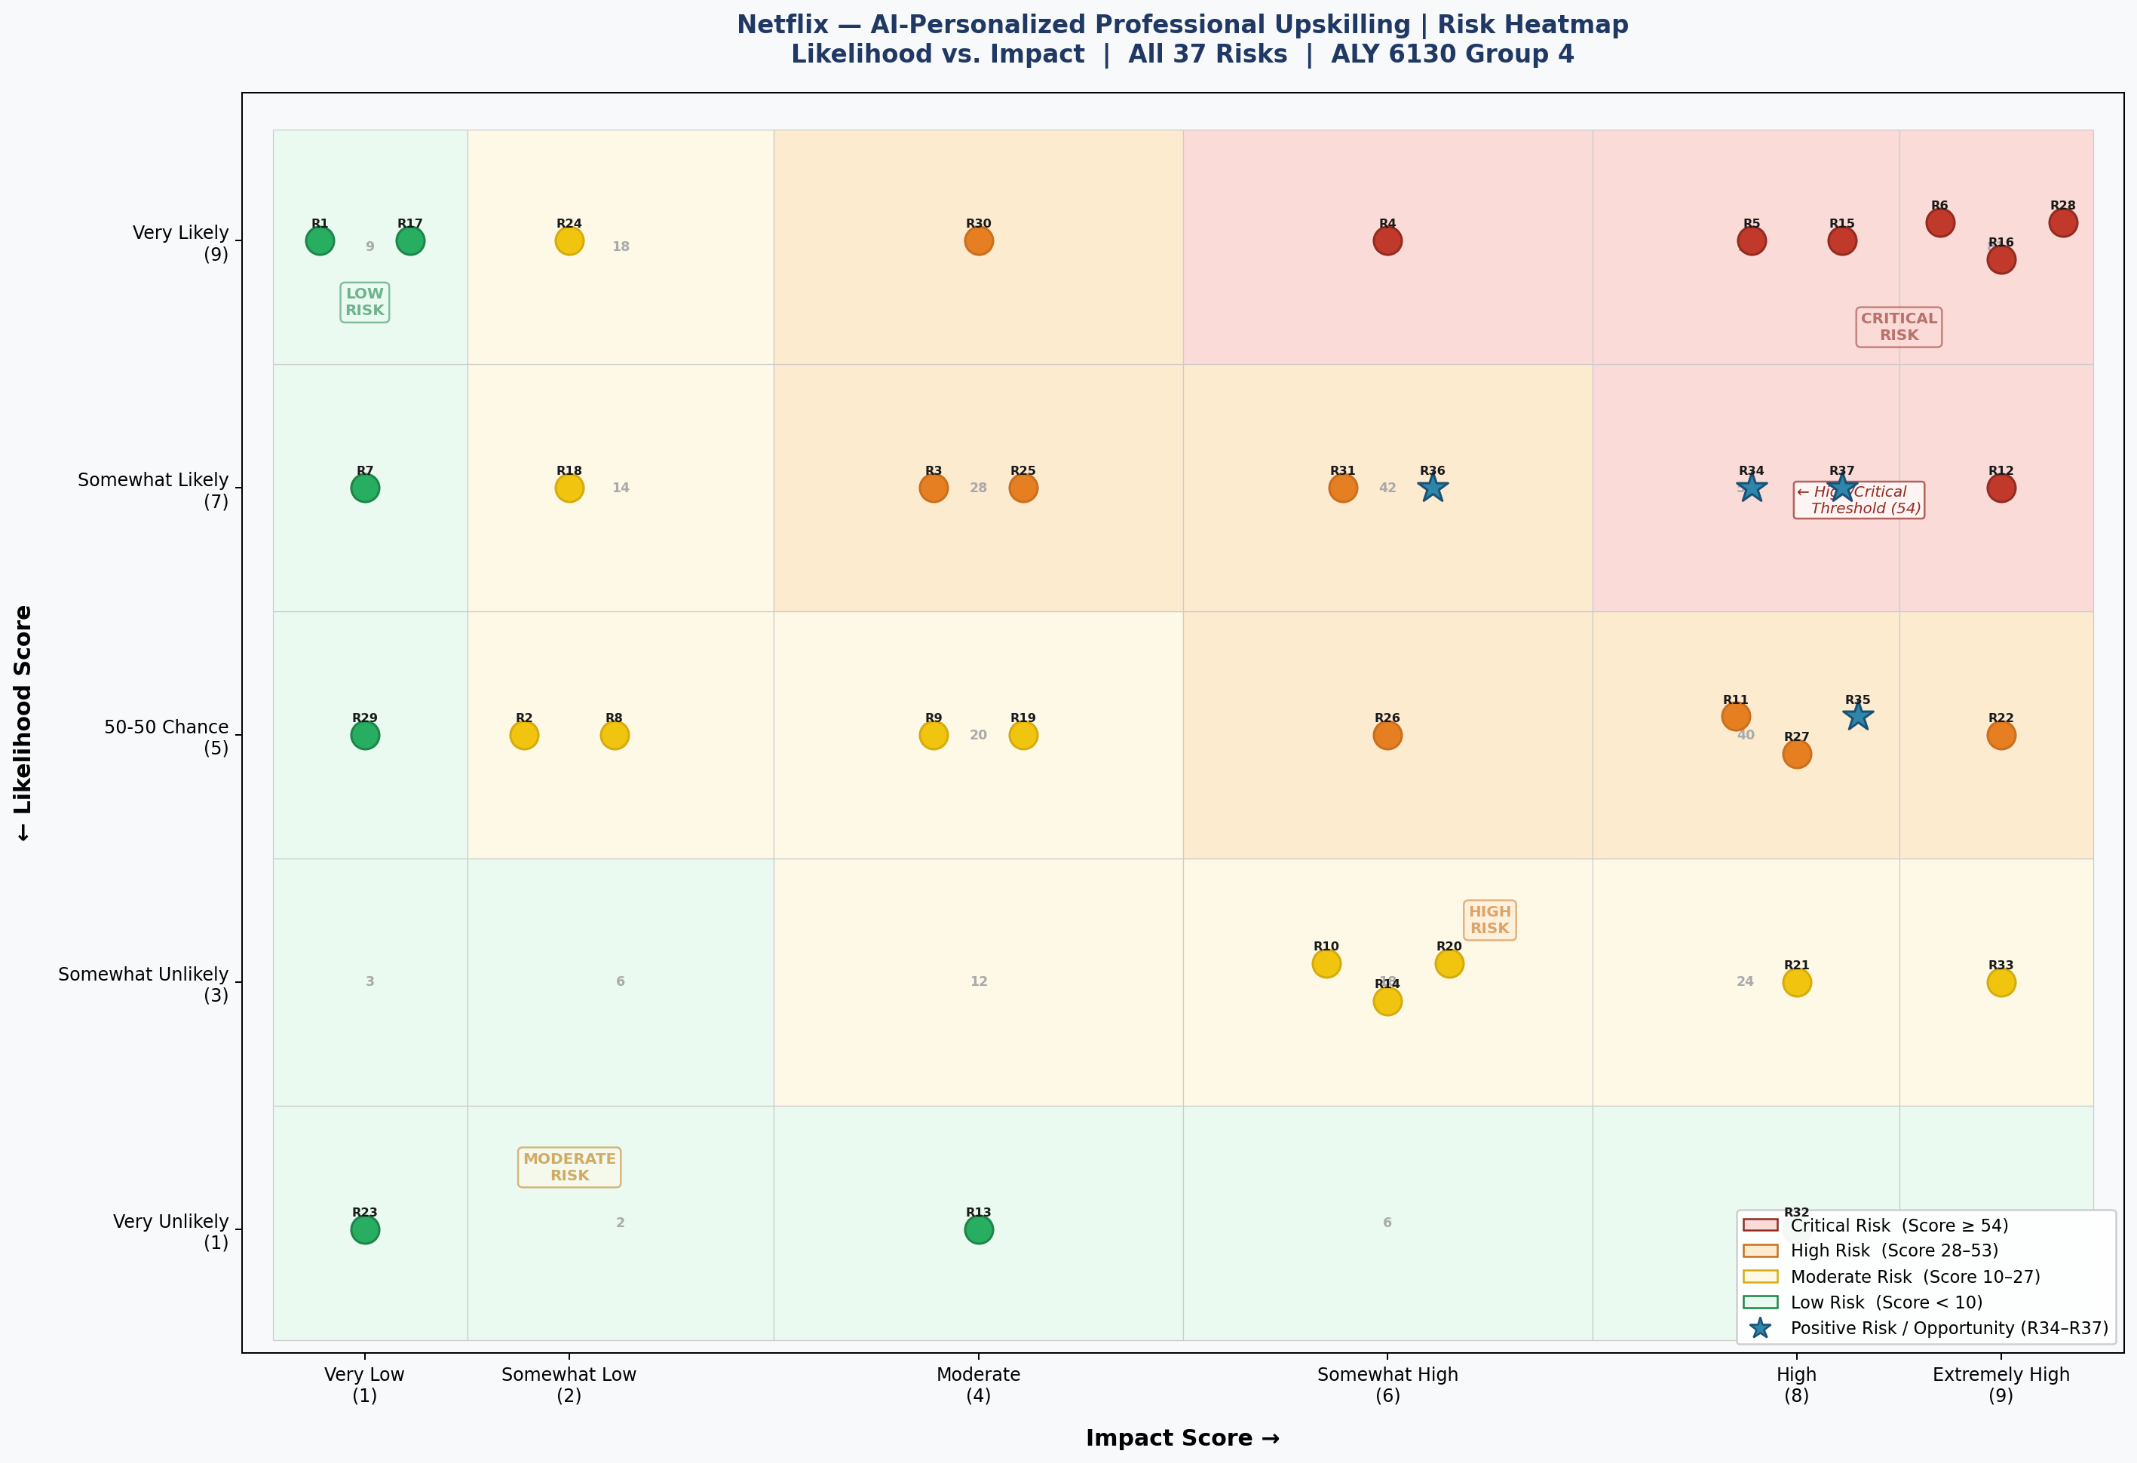
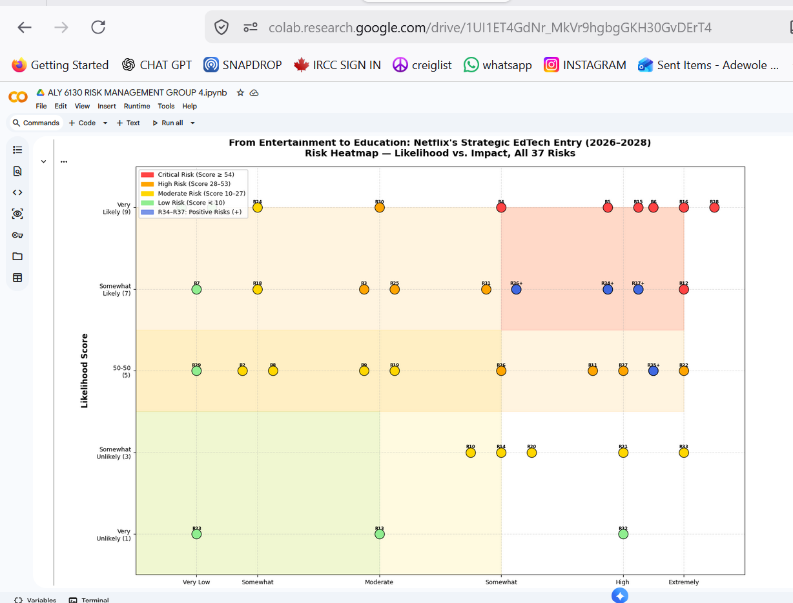

Netflix — Risk Heatmap (Probability vs Impact)
Likelihood / Impact | Very Low (1) | Somewhat Low (2) | Moderate (4) | Somewhat High (6) | High (8) | Extremely High (9)
Very Likely (9) | R1, R17 | R24 | R30 | R4 | R5, R15 | R6, R16, R28
Somewhat Likely (7) | R7 | R18 | R3, R25 | R31, R36 | R34, R37 | R12
50-50 (5) | R29 | R2, R8 | R9, R19 | R26 | R11, R27, R35 | R22
Somewhat Unlikely (3) |  |  |  | R10, R14, R20 | R21 | R33
Very Unlikely (1) | R23 |  | R13 |  | R32

Legend | Low Risk | Moderate Risk | High Risk | Critical Risk

Generated programmatically in Python (matplotlib) on Google Colab | Scores from Risk Register | ALY 6130 Group 4 | June 2026

